machine learning
label with x1, x2
 | 1. Data
instance # | x1 | x2 | class
1 | 1 | 3 | 0
2 | 2 | 5 | 0
3 | 3 | 6 | 1
4 | 4 | 1 | 1
5 | 5 | 3 | 1

 | 2. General Linear Predictor |  | η = a + b1x1 + b2x2 |  |  | a, b1, b2는 구했다고 가정

decision boundary with general linear predictor
 | 3. Optimizing
 |  |  | Error = log loss (cross entropy)
 |  |  | minimize error (unhappy metric)

instance # | x1 | x2 | a | b1 | b2 | η=a+b1x1+b2x2 | sigmoid fct
1 | 1 | 3 | -2.47161004 | 1.04428627 | -0.0134085 | 1.00406077 | 0.18731539867
2 | 2 | 5 | -2.47161004 | 1.04428627 | -0.0134085 | 2.02153004 | 0.3893417455
3 | 3 | 6 | -2.47161004 | 1.04428627 | -0.0134085 | 3.05240781 | 0.64125095254
4 | 4 | 1 | -2.47161004 | 1.04428627 | -0.0134085 | 4.16373658 | 0.8445036159
5 | 5 | 3 | -2.47161004 | 1.04428627 | -0.0134085 | 5.18120585 | 0.93759050181

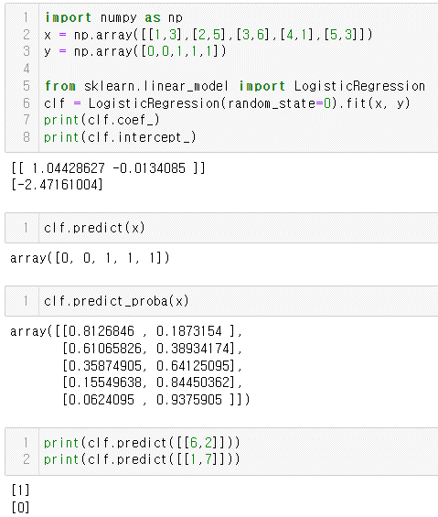
 |  |  |  | sigmoid function=

 |  |  |  | sigmoid 함수 값은 positive일 확률, p(y=1)

sigmoid function with instance number

 | 4. Prediction
 | x1 | x2 | a | b1 | b2 | η=a+b1x1+b2x2 | sigmoid fct
 | 6 | 2 | -2.47161004 | 1.04428627 | -0.0134085 | 6.23890062 | 0.97740760852 | 97.77%의 예측확률로 '1' positive(양성) 판정
 | 1 | 7 | -2.47161004 | 1.04428627 | -0.0134085 | 0.95042677 | 0.17928734297 | 17.93%의 예측확률로 '1' positive(양성) 판정, 즉 82.07%의 예측확률로 '0' neagative(음성) 판정

 | 5. Logistic Function, Sigmoid function

Logistic function (Sigmoid function)
 | Logistic
-5 | 0.0066928509243
-4 | 0.017986209962
-3 | 0.047425873178
-2 | 0.11920292202
-1 | 0.26894142137
0 | 0.5
1 | 0.73105857863
2 | 0.88079707798
3 | 0.95257412682
4 | 0.98201379004
5 | 0.99330714908
 | Input | Logistic | Derivative
 | -5 | 0.0066928509243 | 0.0066480566708
 | -4 | 0.017986209962 | 0.017662706213
 | -3 | 0.047425873178 | 0.045176659731
 | -2 | 0.11920292202 | 0.1049935854
 | -1 | 0.26894142137 | 0.19661193324
 | 0 | 0.5 | 0.25
 | 1 | 0.73105857863 | 0.19661193324
 | 2 | 0.88079707798 | 0.1049935854
 | 3 | 0.95257412682 | 0.045176659731
 | 4 | 0.98201379004 | 0.017662706213
 | 5 | 0.99330714908 | 0.0066480566708
 | Derivative
0.0066928509243 | 0.0066480566708
0.017986209962 | 0.017662706213
0.047425873178 | 0.045176659731
0.11920292202 | 0.1049935854
0.26894142137 | 0.19661193324
0.5 | 0.25
0.73105857863 | 0.19661193324
0.88079707798 | 0.1049935854
0.95257412682 | 0.045176659731
0.98201379004 | 0.017662706213
0.99330714908 | 0.0066480566708

